Sheet1
Faculty Details (2022-2023)

Sl. No. | Photograph | Name of the faculty | Designation | Gender (M/W/T) | Qualification | Pay Scale
1 | 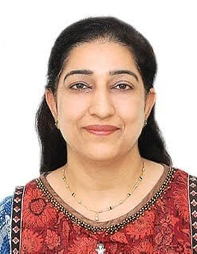 | Dr. Rajnish Sharma | Principal | W | Ph.D. M.A. (English and Psychology) UGC NET (Edu.) | 1,31,400/-
2 | 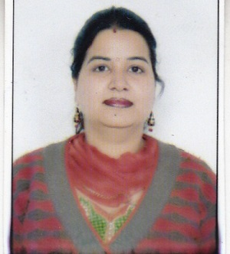 | Ms. Kamini Sehgal | Assistant Professor | W | M.Com. M.Ed. UGC Net( Edu.) | Rs.15,600-39,100 +6000 AGP
3 |  | Ms. Balwinder Nagpal | Assistant Professor | W | M.Sc. (Maths) M.Ed. UGC Net(Edu.) | Rs.15,600-39,100 +6000 AGP
4 | 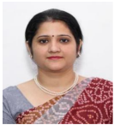 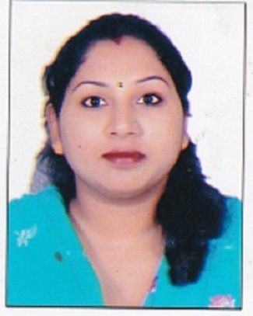 | Ms. Monika | Assistant Professor | W | M.A.(Hindi) M.Ed. UGC Net(Hindi) | Rs.15,600-39,100 +6000 AGP
5 | 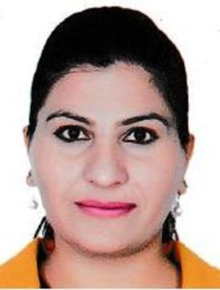 | Ms. Ramandeep Kaur Dhot | Assistant Professor | W | M.Sc.(CS) M.Ed. | Rs.15,600-39,100 +6000 AGP
6 | 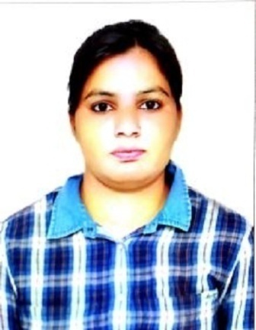 | Ms. Priya Sehjal | Assistant Professor | W | M.A.(History) M.Ed. M.Phil. | Rs.15,600-39,100 +6000 AGP
7 | 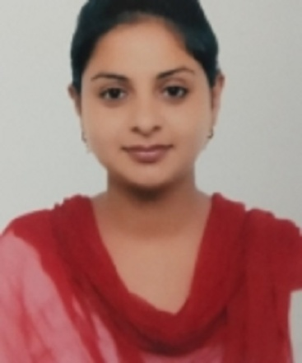 | Ms. Harpreet Kaur | Assistant Professor | W | M.A.(History) M.Ed. | Rs.15,600-39,100 +6000 AGP
8 |  | Ms. Gurpreet Kaur | Assistant Professor | W | M.A.(Fine Arts) B.Ed. | Rs.15,600-39,100 +6000 AGP
9 | 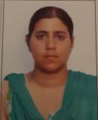 | Ms. Jasmeet Kaur | Assistant Professor | W | M.A. (Punjabi) M.Ed | Rs.15,600-39,100 +6000 AGP
10 | 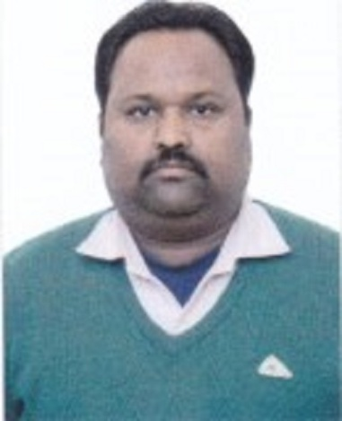 | Mr. Manoj Kumar | Assistant Professor | M | M.A. (Pol. Science) M.Ed | Rs.15,600-39,100 +6000 AGP
11 |  | Ms. Kulwinder Kaur | Assistant Professor | W | M.P.Ed. M.Phil. | Rs.15,600-39,100 +6000 AGP
12 | 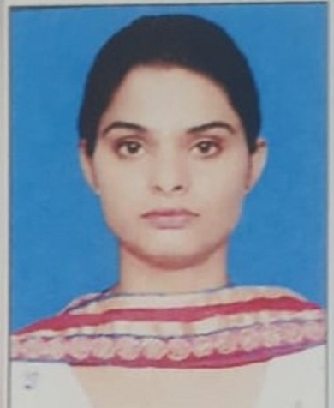 | Ms. Randeep Saini | Assistant Professor | W | M.A.(English) M.Ed. | Rs.15,600-39,100 +6000 AGP
13 |  | Ms. Saravjit Kaur | Assistant Professor | W | B.Tech (CSE) M.Tech (CSE) | Rs.15,600-39,100 +6000 AGP
14 |  | Ms. Sonia | Assistant Professor | W | MA Punjabi M.Ed. | Rs.15,600-39,100 +6000 AGP
15 | 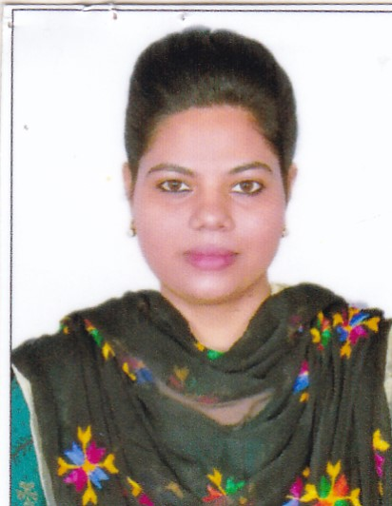 | Ms. Shabani | Assistant Professor | W | MA Economics M.Ed. UGC NET | Rs.15,600-39,100 +6000 AGP
16 |  | Manisha Rani | Assistant Professor | W | MA History M.Ed. UGC NET | Rs.15,600-39,100 +6000 AGP

